Main
Sleep Calculator © California Training Institute August 2016
The calculator was developed by CTI from the research of Drew
Dawson & Kristy McCulloch. Managing fatigue: It’s about sleep
Sleep Medicine Reviews (2005) 9, 365–380

1. Select a day and time for which you want to calculate your fatigue level.
2. Prior to the selected date/time, how many hours did you sleep in prior 24 and 48 hours?
3. Enter those hours in the dropdown boxes below and the calculator does the rest.

Hours slept in prior 24 hours: | 6 | 6
Point Allocation: | 0

Hours slept in prior 48 hours: | 12 | 12
Point Allocation: | 0

Hours awake in prior 24 hours: | 18
Hours slept in prior 48 hours: | 12
Point Allocation: | 6

Total Points: | 6

You must consider what is an acceptable level of fatigue based on the task being performed.
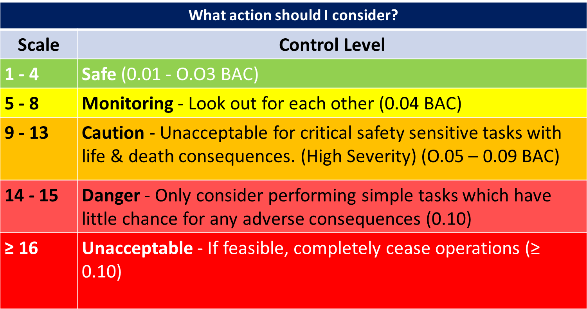

California Training Institute - Email: Info@cti-home.com
Website: www.cti-home.com Contact: 707-968-5109
Excel Formulas by: Shaun Klein shaunklein@rogers.com

