General Information
General Information Regarding Field of View (FOV)

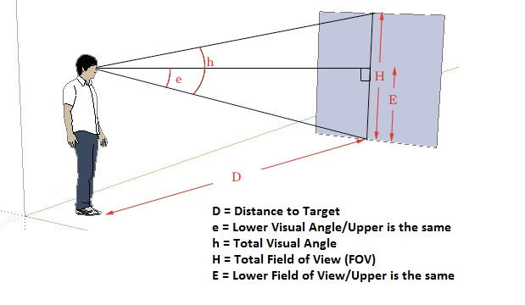

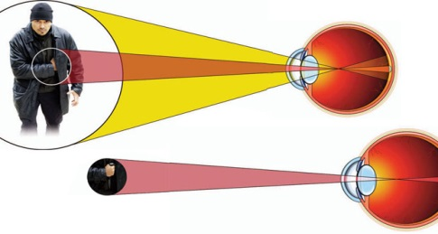

Our FOV can be broken into two right triangles. The most accurate mathamatical computations compute each field separately. To determine a full FOV you must consider a center focus and 1/2 the distance listed is to the right (horizontal & vertical) and 1/2 the distance the left (horizontal & vertical).

What impacts our FOV:
1. If an object is large and thus covers a large visual angle, the eyes must constantly shift its gaze to subsequently bring different portions of the image into the fovea for clear viewing. Under normal conditions the eye performs 3-5 eye saccades per second to allow a full FOV. As stress, workload, complexity, or importance of a stimulus increases, our field of view (FOV) narrows to focus more on what is important or a what is perceived as a threat.

2. A human's normal FOV is 1800 horizontal and 1350 vertical.

3. Our cone of visual attention, or useful field of view (UFOV) is about 550 (27.50 up & 27.50 down). We see shapes clearly because as the eye saccades the brain stiches together an integrated image.

4. Our fovea is an angle of 20-30 where we have perfect vision. An approximation of the two degree fovea visual field is the circle of a US penny held at (an adult's) arm's length.

5. Depending on the factors listed below our useful FOV narrows.
(A) Increased stress and arousal can narrow the FOV to 0.5 degrees.
(B) A stimulus that is considered important, unusual or highly contextual can narrow the FOV to 6 - 7 degrees.
(C) A complex stimulus can narrow the FOV.

Now, click the calculator tab below to enter your data:

